1 - Movement & Navigation
Finance|able
 |  |  |  |  |  |  |  | Movement & Navigation Shortcuts

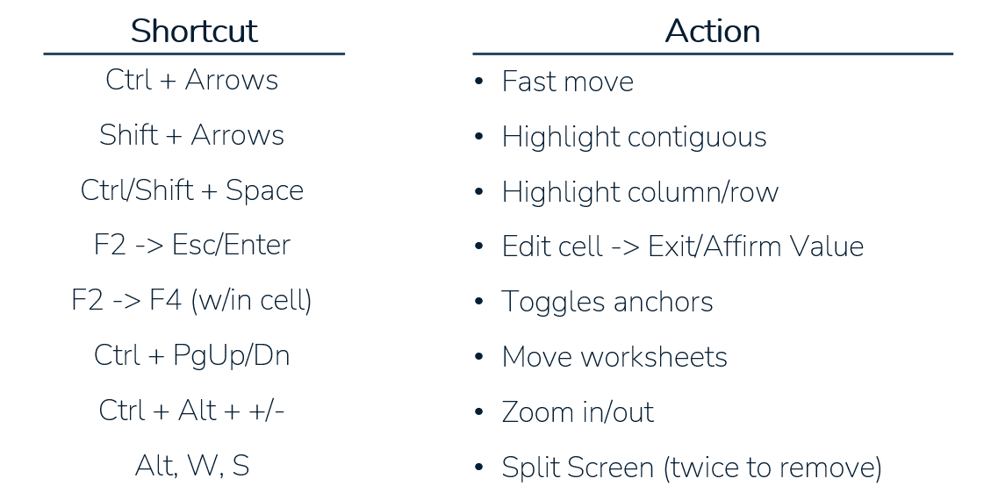

Tax Rate | 20%

 | Historical |  |  | Projected
 | 2018A | 2019A | 2020A | 2021P | 2022P | 2023P | 2024P | 2025P
Revenue | $90.0 | $95.0 | $100.0 | $105.3 | $110.8 | $116.6 | $122.8 | $129.2
Cost | (45.0) | (47.5) | (50.0) | (52.6) | (55.4) | (58.3) | (61.4) | (64.6)
Profit | $45.0 | $47.5 | $50.0 | $52.6 | $55.4 | $58.3 | $61.4 | $64.6
Taxes | (9.0) | (9.5) | (10.0) | (10.5) | (11.1) | (11.7) | (12.3) | (12.9)
Net Income | $36.0 | $38.0 | $40.0 | $42.1 | $44.3 | $46.7 | $49.1 | $51.7

Assumptions
Revenue Growth % |  | 5.6% | 5.3% | 5.3% | 5.3% | 5.3% | 5.3% | 5.3%
Cost % of Sales | 50.0% | 50.0% | 50.0% | 50.0% | 50.0% | 50.0% | 50.0% | 50.0%
Tax Rate % | 20.0% | 20.0% | 20.0% | 20.0% | 20.0% | 20.0% | 20.0% | 20.0%

Revenue & Cost Assumptions
Revenue Growth % |  |  |  | 5.3% | 5.3% | 5.3% | 5.3% | 5.3%
Cost % of Sales |  |  |  | 50.0% | 50.0% | 50.0% | 50.0% | 50.0%

2 - Copy-Paste
Finance|able
 |  |  |  |  |  |  |  | Copy/Paste Shortcuts
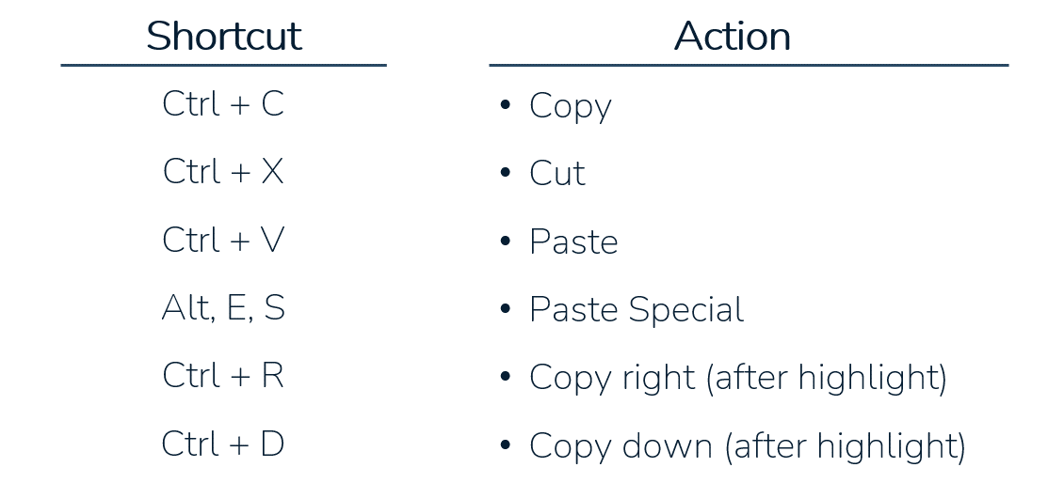

Tax Rate | 20%

 | Historical |  |  | Projected
 | 2018A | 2019A | 2020A | 2021P | 2022P | 2023P | 2024P | 2025P
Revenue | $90.0 | $95.0 | $100.0 | $105.3
Cost | (45.0) | (47.5) | (50.0) | (52.6)
Profit | $45.0 | $47.5 | $50.0 | $52.6 | – | – | – | –
Taxes | (9.0) | (9.5) | (10.0) | (10.5) | – | – | – | –
Net Income | $36.0 | $38.0 | $40.0 | $42.1 | – | – | – | –

Assumptions
Revenue Growth % |  | 5.6% | 5.3% | 5.3% | 5.3% | 5.3% | 5.3% | 5.3%
Cost % of Sales | 50.0% | 50.0% | 50.0% | 50.0% | 50.0% | 50.0% | 50.0% | 50.0%
Tax Rate % | 20.0% | 20.0% | 20.0% | 20.0% | 20.0% | 20.0% | 20.0% | 20.0%

Revenue & Cost Assumptions
Revenue Growth % |  |  |  | 5.3% | 5.3% | 5.3% | 5.3% | 5.3%
Cost % of Sales |  |  |  | 50.0% | 50.0% | 50.0% | 50.0% | 50.0%

3 - Worksheet + Formatting
Finance|able
 |  |  |  |  |  |  |  | Worksheet/Navigation Shortcuts

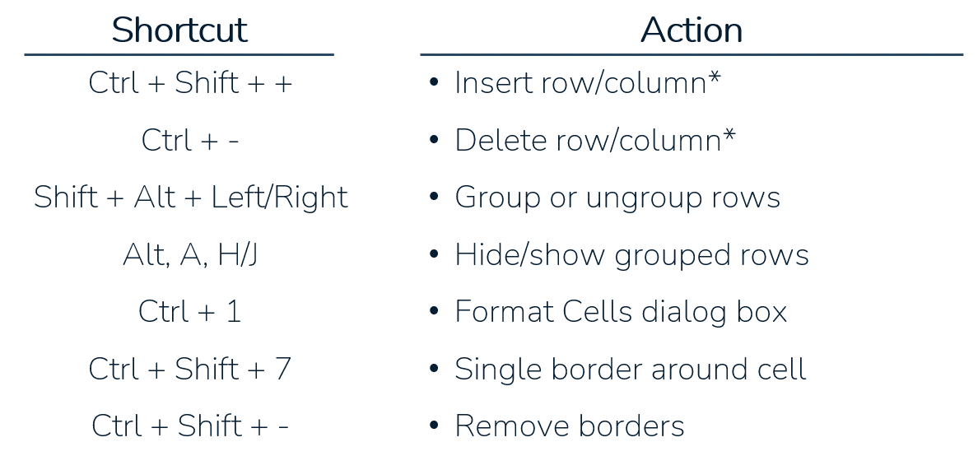

*You must first highlight either an entire row or column

Tax Rate | 20%

 | Historical |  |  | Projected
 | 2018A | 2019A | 2020A | 2021P | 2022P | 2023P | 2024P | 2025P
Revenue | $90.0 | $95.0 | $100.0 | $105.3 | $110.8 | $116.6 | $122.8 | $129.2
Cost | (45.0) | (47.5) | (50.0) | (52.6) | (55.4) | (58.3) | (61.4) | (64.6)
Profit | $45.0 | $47.5 | $50.0 | $52.6 | $55.4 | $58.3 | $61.4 | $64.6
Taxes | (9.0) | (9.5) | (10.0) | (10.5) | (11.1) | (11.7) | (12.3) | (12.9)
Net Income | $36.0 | $38.0 | $40.0 | $42.1 | $44.3 | $46.7 | $49.1 | $51.7
Assumptions
Revenue Growth % |  | 5.6% | 5.3% | 0.052631578947 | 0.052631578947 | 0.052631578947 | 0.052631578947 | 0.052631578947
Cost % of Sales | 50.0% | 50.0% | 50.0% | 0.5 | 0.5 | 0.5 | 0.5 | 0.5
Tax Rate % | 20.0% | 20.0% | 20.0% | 0.2 | 0.2 | 0.2 | 0.2 | 0.2

Revenue & Cost Assumptions
Revenue Growth % |  |  |  | 5.3% | 5.3% | 5.3% | 5.3% | 5.3%
Cost % of Sales |  |  |  | 50.0% | 50.0% | 50.0% | 50.0% | 50.0%

4 - Custom Formatting
Finance|able
 |  |  | Custom Formatting
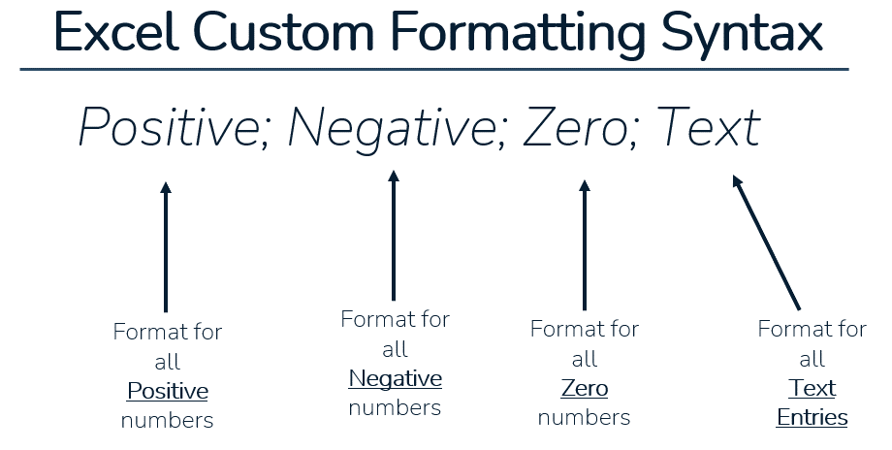

Format Code | Data | Output
0.00 | 100 | 100.0
$0.0 | 100 | $100.0
$0,000.00 | 100 | $0,100.00
$#,###.00 | 100 | $100.00
0” Days” | 25 | 25 Days
0P | 2020 | 2020P
0.0% | 0.05 | 5.0%
0.0x | 8 | 8.0x

5 - MBP Formatting & Appearance
Finance|able
 |  |  |  |  |  |  |  | Modeling Best Practices: Formatting & Appearance
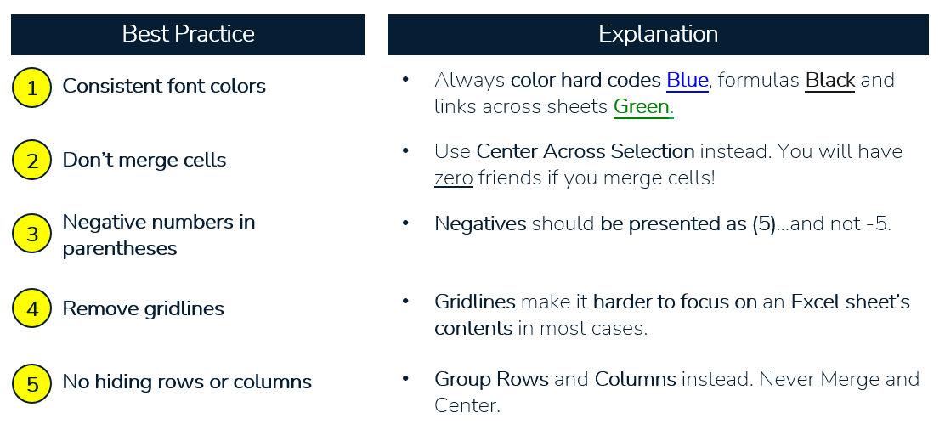

Tax Rate | 20%

 | Historical |  |  | Projected
 | 2018A | 2019A | 2020A | 2021P | 2022P | 2023P | 2024P | 2025P
Revenue | $90.0 | $95.0 | $100.0 | $105.3 | $110.8 | $116.6 | $122.8 | $129.2
Cost | -45.0 | -47.5 | -50.0 | (52.6) | (55.4) | (58.3) | (61.4) | (64.6)
Profit | $45.0 | $47.5 | $50.0 | $52.6 | $55.4 | $58.3 | $61.4 | $64.6
Taxes | (9.0) | (9.5) | (10.0) | (10.5) | (11.1) | (11.7) | (12.3) | (12.9)
Net Income | $36.0 | $38.0 | $40.0 | $42.1 | $44.3 | $46.7 | $49.1 | $51.7

Assumptions
Revenue Growth % |  | 5.6% | 5.3% | 5.3% | 5.3% | 5.3% | 5.3% | 5.3%
Cost % of Sales | 50.0% | 50.0% | 50.0% | 50.0% | 50.0% | 50.0% | 50.0% | 50.0%
Tax Rate % | 20.0% | 20.0% | 20.0% | 20.0% | 20.0% | 20.0% | 20.0% | 20.0%

6 - MBP Structure & Input
 | Finance|able
 |  |  |  |  |  |  |  |  | Modeling Best Practices: Structure & Input
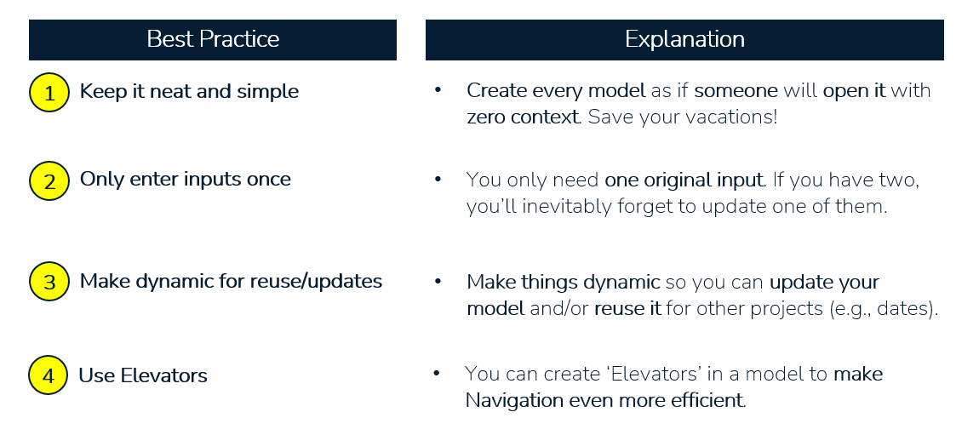

 | Tax Rate | 20%

 |  | Historical |  |  | Projected
 |  | 2018A | 2019A | 2020A | 2021P | 2022P | 2023P | 2024P | 2025P
x | Revenue Build:

 | Price | $10.0 | $11.0 | $12.1 | $13.3 | $14.6 | $16.1 | $17.7 | $19.5
 | Volume | 10 | 11 | 11 | 12 | 12 | 13 | 13 | 14
 | Discounts | 5.0% | 5.0% | 5.0% | 5.0% | 5.0% | 5.0% | 5.0% | 5.0%
 | Net Revenue | $95.0 | $109.7 | $126.7 | $146.4 | $169.1 | $195.3 | $225.5 | $260.5

 | Income Statement:

 | Net Revenue | $95.0 | $109.7 | $126.7 | $146.4 | $169.1 | $195.3 | $225.5 | $260.5
 | Cost | (45.0) | (47.5) | (50.0) | (73.2) | (84.5) | (97.6) | (112.8) | (130.2)
 | Profit | $50.0 | $62.2 | $76.7 | $73.2 | $84.5 | $97.6 | $112.8 | $130.2
 | Taxes | (9.0) | (9.5) | (10.0) | (14.6) | (16.9) | (19.5) | (22.6) | (26.0)
 | Net Income | $41.0 | $52.7 | $66.7 | $58.6 | $67.6 | $78.1 | $90.2 | $104.2

 | Assumptions
 | Revenue Growth % |  | 15.5% | 15.5% | 15.5% | 15.5% | 15.5% | 15.5% | 15.5%
 | Cost % of Sales | 47.4% | 43.3% | 39.5% | 50.0% | 50.0% | 50.0% | 50.0% | 50.0%
 | Tax Rate % | 18.0% | 15.3% | 13.0% | 20.0% | 20.0% | 20.0% | 20.0% | 20.0%

x | Balance Sheet:

x | Cash Flow Statement:

x

x

x

x

