1 - Basics
Finance|able
 |  |  |  |  |  |  |  | Excel Shortcuts: Basics
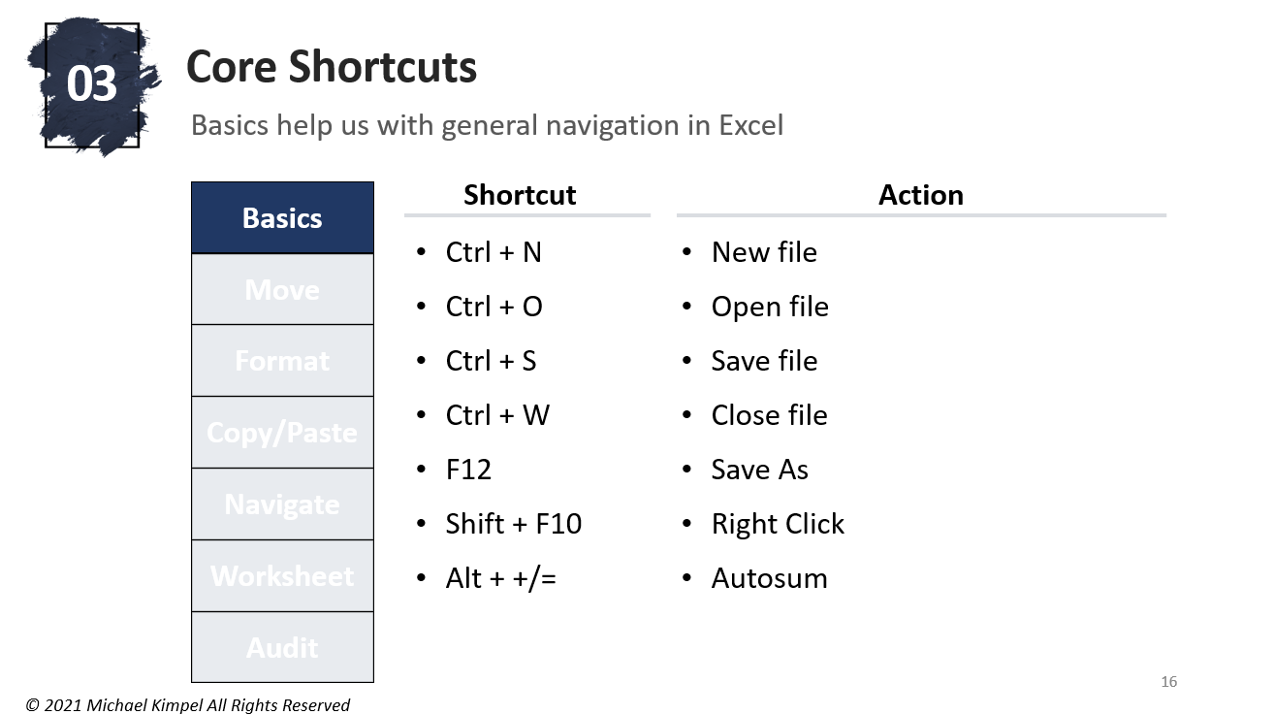

Tax Rate | 20%

 | Historical |  |  | Projected
 | 2018A | 2019A | 2020A | 2021P | 2022P | 2023P | 2024P | 2025P
Revenue | $90.0 | $95.0 | $100.0 | $105.3 | $110.8 | $116.6 | $122.8 | $129.2
Cost | (45.0) | (47.5) | (50.0) | (52.6) | (55.4) | (58.3) | (61.4) | (64.6)
Profit | $45.0 | $47.5 | $50.0
Taxes | (9.0) | (9.5) | (10.0) | – | – | – | – | –
Net Income | $36.0 | $38.0 | $40.0 | – | – | – | – | –

Assumptions
Revenue Growth % |  | 5.6% | 5.3% | 5.3% | 5.3% | 5.3% | 5.3% | 5.3%
Cost % of Sales | 50.0% | 50.0% | 50.0% | 50.0% | 50.0% | 50.0% | 50.0% | 50.0%
Tax Rate % | 20.0% | 20.0% | 20.0% | 20.0% | 20.0% | 20.0% | 20.0% | 20.0%

2 - Movement
Finance|able
 |  |  |  |  |  |  |  | Excel Shortcuts: Movement
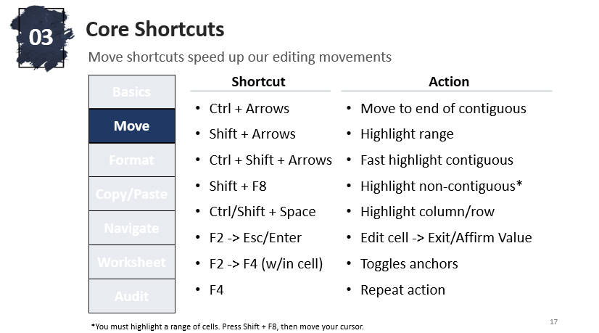

Tax Rate | 20%

 | Historical |  |  | Projected
 | 2018A | 2019A | 2020A | 2021P | 2022P | 2023P | 2024P | 2025P
Revenue | $90.0 | $95.0 | $100.0 | $105.3 | $110.8 | $116.6 | $122.8 | $129.2
Cost | (45.0) | (47.5) | (50.0) | (52.6) | (55.4) | (58.3) | (61.4) | (64.6)
Profit | $45.0 | $47.5 | $50.0 | $52.6 | $55.4 | $58.3 | $61.4 | $64.6
Taxes | (9.0) | (9.5) | (10.0) | – | – | – | – | –
Net Income | $36.0 | $38.0 | $40.0 | $52.6 | $55.4 | $58.3 | $61.4 | $64.6

Assumptions
Revenue Growth % |  | 5.6% | 5.3% | 5.3% | 5.3% | 5.3% | 5.3% | 5.3%
Cost % of Sales | 50.0% | 50.0% | 50.0% | 50.0% | 50.0% | 50.0% | 50.0% | 50.0%
Tax Rate % | 20.0% | 20.0% | 20.0%

3 - Format
Finance|able
 |  |  |  |  |  |  |  | Excel Shortcuts: Format
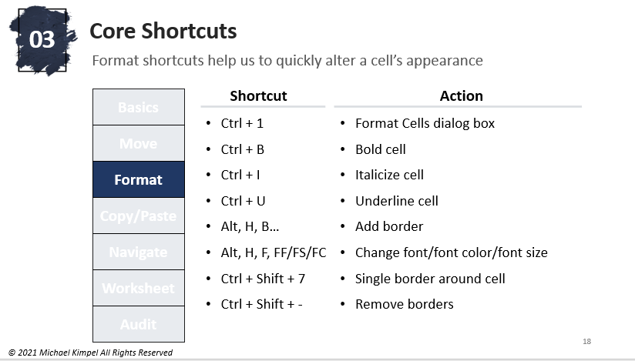

Tax Rate | 20%

 | Historical |  |  | Projected
 | 2018A | 2019A | 2020A | 2021P | 2022P | 2023P | 2024P | 2025P
Revenue | $90.0 | $95.0 | $100.0 | $105.3 | $110.8 | $116.6 | $122.8 | $129.2
Cost | (45.0) | (47.5) | (50.0) | (52.6) | (55.4) | (58.3) | (61.4) | (64.6)
Profit | $45.0 | $47.5 | $50.0 | $52.6 | $55.4 | $58.3 | $61.4 | $64.6
Taxes | (9.0) | (9.5) | (10.0) | (10.5) | (11.1) | (11.7) | (12.3) | (12.9)
Net Income | $36.0 | $38.0 | $40.0 | $42.1 | $44.3 | $46.7 | $49.1 | $51.7

Assumptions
Revenue Growth % |  | 5.6% | 5.3% | 5.3% | 5.3% | 5.3% | 5.3% | 5.3%
Cost % of Sales | 50.0% | 50.0% | 50.0% | 50.0% | 50.0% | 50.0% | 50.0% | 50.0%
Tax Rate % | 20.0% | 20.0% | 20.0% | 20.0% | 20.0% | 20.0% | 20.0% | 20.0%

4 - Copy-Paste
Finance|able
 |  |  |  |  |  |  |  | Excel Shortcuts: Copy/Paste
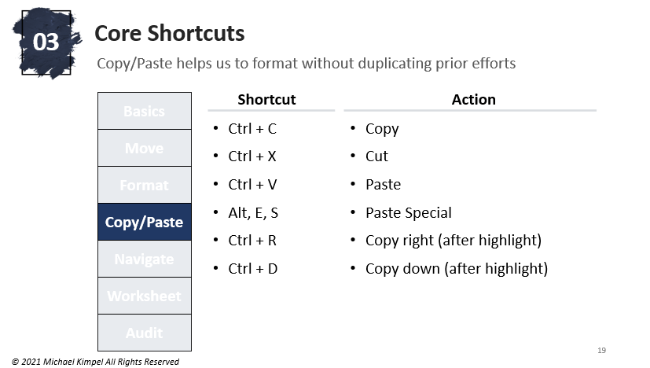

Tax Rate | 20%

 | Historical |  |  | Projected
 | 2018A | 2019A | 2020A | 2021P | 2022P | 2023P | 2024P | 2025P
Revenue | $90.0 | $95.0 | $100.0 | $105.3 | $110.8 | 116.635078 | 122.77376632 | 129.23554349
Cost | (45.0) | (47.5) | (50.0) | (52.6) | (55.4) | -58.317539 | -61.386883158 | -64.617771745
Profit | $45.0 | $47.5 | $50.0 | $52.6 | $55.4 | 58.317539 | 61.386883158 | 64.617771745
Taxes | (9.0) | (9.5) | (10.0) | (10.5) | (11.1) | -11.6635078 | -12.277376632 | -12.923554349
Net Income | $36.0 | $38.0 | $40.0 | $42.1 | $44.3 | 46.6540312 | 49.109506526 | 51.694217396

Assumptions
Revenue Growth % |  | 5.6% | 5.3% | 5.3% | 5.3% | 5.3% | 5.3% | 5.3%
Cost % of Sales | 50.0% | 50.0% | 50.0% | 50.0% | 50.0% | 50.0% | 50.0% | 50.0%
Tax Rate % | 20.0% | 20.0% | 20.0% | 20.0% | 20.0% | 20.0% | 20.0% | 20.0%

5 - Navigate
Finance|able
 |  |  |  |  |  |  |  | Excel Shortcuts: Navigate
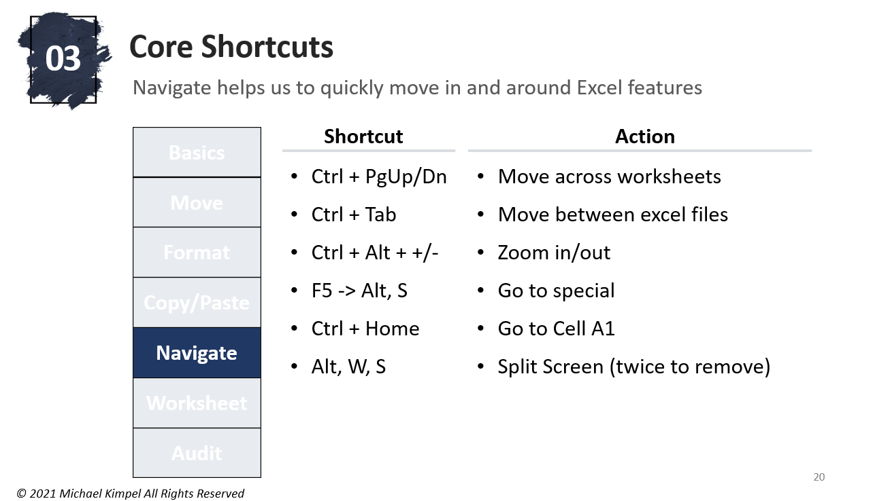

Tax Rate | 20%

 | Historical |  |  | Projected
 | 2018A | 2019A | 2020A | 2021P | 2022P | 2023P | 2024P | 2025P
Revenue | $90.0 | $95.0 | $100.0 | $100.0 | $100.0 | $100.0 | $100.0 | $100.0
Cost | (45.0) | (47.5) | (50.0) | – | – | – | – | –
Profit | $45.0 | $47.5 | $50.0 | $100.0 | $100.0 | $100.0 | $100.0 | $100.0
Taxes | (9.0) | (9.5) | (10.0) | (20.0) | (20.0) | (20.0) | (20.0) | (20.0)
Net Income | $36.0 | $38.0 | $40.0 | $80.0 | $80.0 | $80.0 | $80.0 | $80.0

Assumptions
Revenue Growth % |  | 5.6% | 5.3%
Cost % of Sales | 50.0% | 50.0% | 50.0%
Tax Rate % | 20.0% | 20.0% | 20.0% | 20.0% | 20.0% | 20.0% | 20.0% | 20.0%

Drivers
Revenue Growth % |  |  |  | 5.3% | 5.3% | 5.3% | 5.3% | 5.3%
Cost % of Sales |  |  |  | 50.0% | 50.0% | 50.0% | 50.0% | 50.0%

6 - Worksheet
Finance|able
 |  |  |  |  |  |  |  | Excel Shortcuts: Worksheet
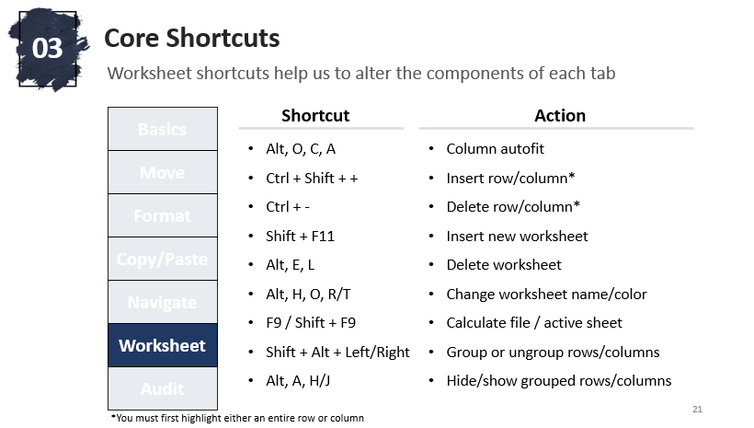

Tax Rate | 20%

 | Historical |  |  | Projected
 | 2018A | 2019A | 2020A | 2021P | 2022P | 2023P | 2024P | 2025P
Revenue | $90.0 | $95.0 | $100.0 | $105.3 | $110.8 | $116.6 | $122.8 | $129.2
Cost | (45.0) | (47.5) | (50.0) | (52.6) | (55.4) | (58.3) | (61.4) | (64.6)
Profit | $45.0 | $47.5 | $50.0 | $52.6 | $55.4 | $58.3 | $61.4 | $64.6
Taxes | (9.0) | (9.5) | (10.0) | (10.5) | (11.1) | (11.7) | (12.3) | (12.9)
Net Income | $36.0 | $38.0 | $40.0 | $42.1 | $44.3 | $46.7 | $49.1 | $51.7

Assumptions
Revenue Growth % |  | 5.6% | 5.3% | 5.3% | 5.3% | 5.3% | 5.3% | 5.3%
Cost % of Sales | 50.0% | 50.0% | 50.0% | 50.0% | 50.0% | 50.0% | 50.0% | 50.0%
Tax Rate % | 20.0% | 20.0% | 20.0% | 20.0% | 20.0% | 20.0% | 20.0% | 20.0%

7 - Audit
Finance|able
 |  |  |  |  |  |  |  | Excel Shortcuts: Audit
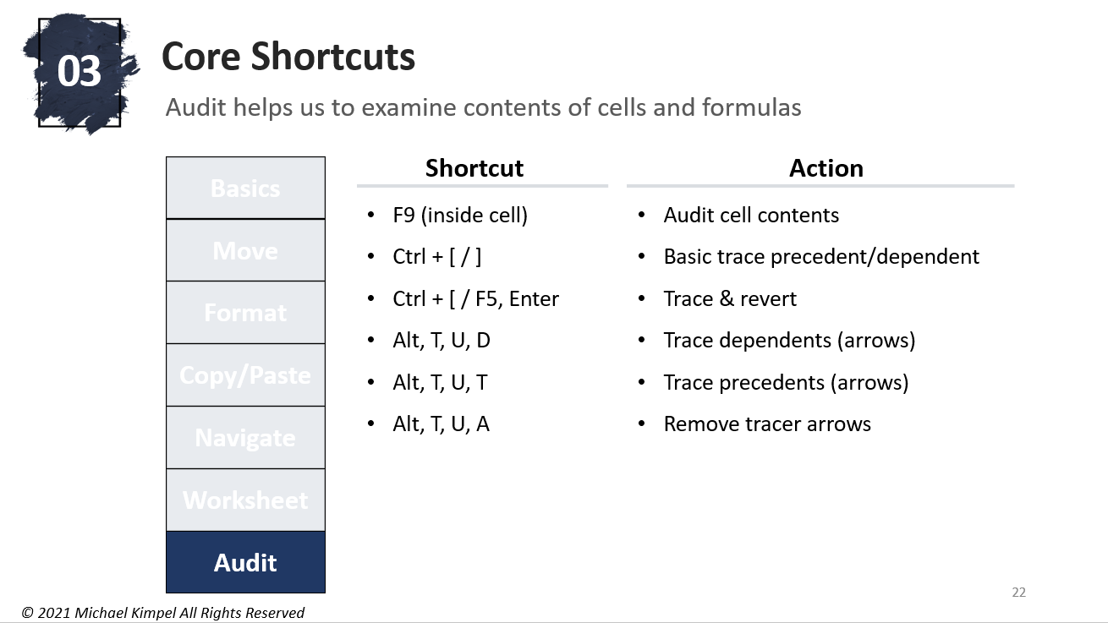

Tax Rate | 20%

 | Historical |  |  | Projected
 | 2018A | 2019A | 2020A | 2021P | 2022P | 2023P | 2024P | 2025P
Revenue | $90.0 | $95.0 | $100.0 | $105.3 | $110.8 | $116.6 | $122.8 | $129.2
Cost | (45.0) | (47.5) | (50.0) | (52.6) | (55.4) | (58.3) | (61.4) | (64.6)
Profit | $45.0 | $47.5 | $50.0 | $52.6 | $55.4 | $58.3 | $61.4 | $64.6
Taxes | (9.0) | (9.5) | (10.0) | (10.5) | (11.1) | (11.7) | (12.3) | (12.9)
Net Income | $36.0 | $38.0 | $40.0 | $42.1 | $44.3 | $46.7 | $49.1 | $51.7

Assumptions
Revenue Growth % |  | 5.6% | 5.3% | 5.3% | 5.3% | 5.3% | 5.3% | 5.3%
Cost % of Sales | 50.0% | 50.0% | 50.0% | 50.0% | 50.0% | 50.0% | 50.0% | 50.0%
Tax Rate % | 20.0% | 20.0% | 20.0% | 20.0% | 20.0% | 20.0% | 20.0% | 20.0%

Drivers
Revenue Growth % |  |  |  | 5.3% | 5.3% | 5.3% | 5.3% | 5.3%
Cost % of Sales |  |  |  | 50.0% | 50.0% | 50.0% | 50.0% | 50.0%

